Application Screen
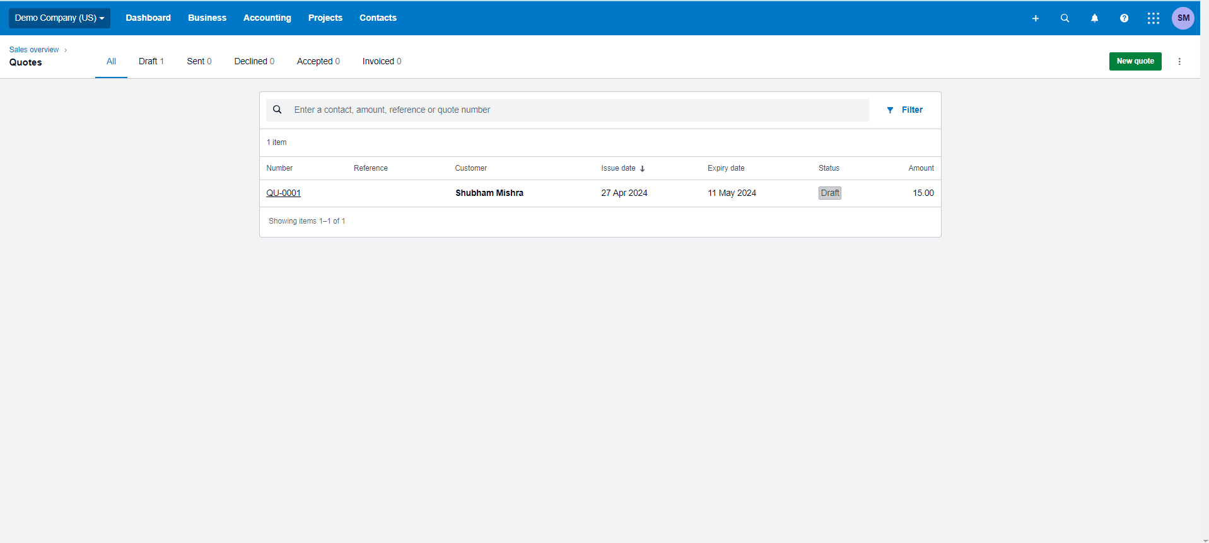

Test Case 10
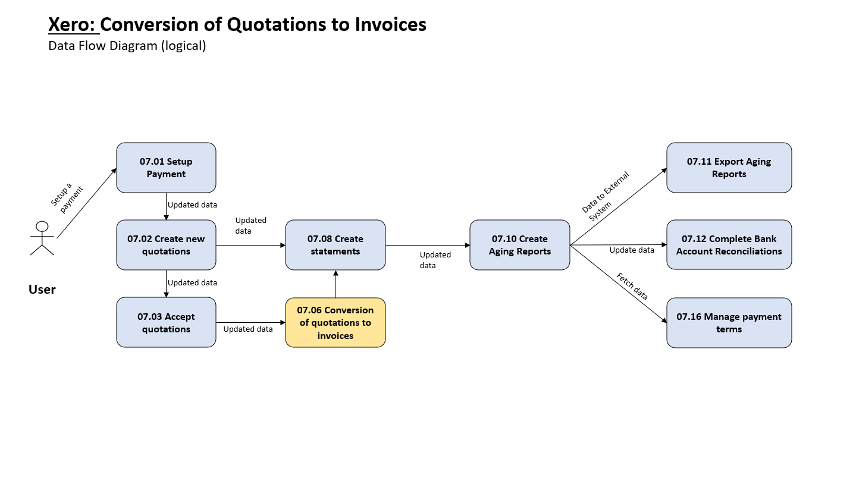
TC Title: | TC10 Conversion of Quotation to Invoices - DF-Out

TC Objective: | This test case verifies the functionality of converting quotations to invoices, ensuring all data transfers accurately.

TC Description
 | Step | Step Description | Expected Results
 | 1 | User opens a valid quotation and initiates the conversion process to an invoice. | The system displays a confirmation prompt for invoice creation.
 | 2 | User confirms quotation conversion. | The system creates a new invoice with all quotation details accurately transferred, including: Items, Quantities, Prices, Discounts (if applicable), Taxes (if applicable)
 | 3 | User reviews the newly created invoice. | All details from the original quotation are reflected accurately in the invoice.
 | 4 | User attempts to convert a quotation with missing or incomplete information (e.g., missing price for an item). | The system displays an error message indicating the missing information and prevents invoice creation until the issue is resolved.

